Table S1
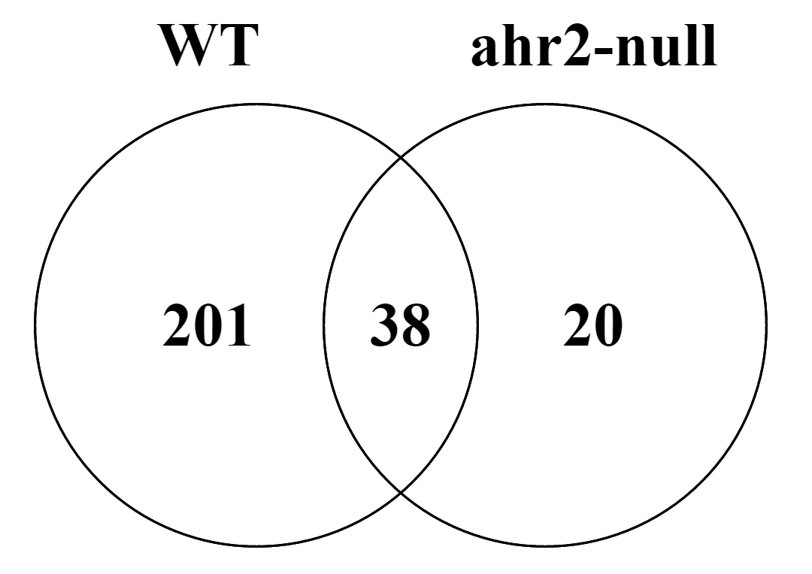
Table S1. Overlapping significant differentially expressed transcripts in WT and ahr2-null samples

ProbeName | GeneName | zebrafish_ensemble_gene | human_ensembl_gene | WT_logFC | WT_adj_pValue | ahr2_null_logFC | ahr2_null_adj_pValue
A_15_P100578 | cyp1a | ENSDARG00000026039 | ENSG00000140465 | 3.88 | 5.22E-04 | 2.97 | 7.57E-03
A_15_P659656 | cyp1a | ENSDARG00000026039 | ENSG00000140465 | 3.12 | 1.53E-04 | 1.62 | 3.31E-02
A_15_P164531 | mrpl20 | ENSDARG00000090462 | ENSG00000242485 | 0.79 | 6.27E-05 | -0.71 | 4.47E-04
A_15_P738255 | parn | ENSDARG00000024702 | ENSG00000140694 | 0.78 | 5.51E-05 | -0.65 | 6.68E-04
A_15_P709476 | AL926183 |  |  | 0.77 | 9.23E-05 | -0.66 | 9.14E-04
A_15_P134611 | LOC793066 | ENSDARG00000079843 | ENSG00000211599 | 0.74 | 1.67E-04 | -0.61 | 1.55E-03
A_15_P176596 | rgs5b | ENSDARG00000017860 | ENSG00000143248 | 0.73 | 2.84E-05 | -0.61 | 3.83E-04
A_15_P774716 | marveld2b | ENSDARG00000061651 | ENSG00000152939 | 0.72 | 5.05E-04 | -0.61 | 3.59E-03
A_15_P763151 | TC389889 |  |  | 0.72 | 1.56E-05 | -0.61 | 2.43E-04
A_15_P397440 | NP13323369 |  |  | 0.7 | 7.22E-04 | -0.65 | 2.65E-03
A_15_P205886 | zgc:153031 | ENSDARG00000068876 | ENSG00000178700 | 0.7 | 4.23E-05 | -0.59 | 4.76E-04
A_15_P139518 | acot9.2 | ENSDARG00000058390 | ENSG00000123130 | 0.68 | 1.87E-04 | -0.62 | 1.06E-03
A_15_P745896 | spag1b | ENSDARG00000088340 | ENSG00000025772 | 0.67 | 4.75E-04 | -0.59 | 2.62E-03
A_15_P518032 | exosc3 | ENSDARG00000029187 | ENSG00000107371 | 0.65 | 5.08E-05 | -0.62 | 2.85E-04
A_15_P656636 | wbp11 | ENSDARG00000017046 | ENSG00000084463 | 0.65 | 4.54E-04 | -0.59 | 1.92E-03
A_15_P195076 | zgc:77235 |  |  | 0.62 | 4.55E-05 | -0.6 | 2.34E-04
A_15_P658711 | zgc:73144 |  |  | 0.59 | 1.87E-04 | -0.61 | 4.05E-04
A_15_P422030 | gngt1 | ENSDARG00000035798 | ENSG00000127920 | -0.64 | 2.69E-02 | -0.76 | 2.76E-02
A_15_P113864 | dhrs3b | ENSDARG00000044803 | ENSG00000162496 | -0.68 | 3.31E-04 | -0.78 | 3.52E-04
A_15_P757496 | rho | ENSDARG00000002193 | ENSG00000163914 | -0.74 | 3.10E-02 | -1.09 | 9.55E-03
A_15_P170311 | rho | ENSDARG00000002193 | ENSG00000163914 | -0.79 | 5.94E-03 | -1.38 | 3.06E-04
A_15_P169241 | dhrs3a | ENSDARG00000044982 | ENSG00000162496 | -0.86 | 4.25E-04 | -0.61 | 1.02E-02
A_15_P166861 | hoxb8b | ENSDARG00000054025 | ENSG00000120068 | -0.87 | 1.18E-05 | -0.6 | 7.26E-04
A_15_P728776 | rho | ENSDARG00000002193 | ENSG00000163914 | -0.88 | 1.92E-02 | -2.3 | 1.08E-04
A_15_P747151 | rho | ENSDARG00000002193 | ENSG00000163914 | -0.89 | 3.09E-02 | -2.26 | 2.43E-04
A_15_P111662 | hoxb5a | ENSDARG00000013057 | ENSG00000106004 | -1.01 | 2.91E-06 | -0.78 | 1.08E-04
A_15_P213761 | rho | ENSDARG00000002193 | ENSG00000163914 | -1.01 | 1.69E-02 | -2.07 | 4.05E-04
A_15_P737699 | rho | ENSDARG00000002193 | ENSG00000163914 | -1.03 | 1.80E-02 | -2.1 | 4.47E-04
A_15_P130816 | hoxa5a | ENSDARG00000001784 | ENSG00000106004 | -1.04 | 1.46E-05 | -0.64 | 1.69E-03
A_15_P630616 | hoxb5a | ENSDARG00000013057 | ENSG00000106004 | -1.24 | 1.80E-07 | -0.91 | 1.59E-05
A_15_P630536 | hoxb6b | ENSDARG00000026513 | ENSG00000108511 | -1.24 | 3.49E-05 | -0.84 | 1.69E-03
A_15_P657036 | hoxb6b | ENSDARG00000026513 | ENSG00000108511 | -1.27 | 6.62E-06 | -1.2 | 5.76E-05
A_15_P626126 | hoxc1a | ENSDARG00000070337 | ENSG00000128645 | -1.32 | 2.32E-06 | -0.65 | 1.55E-03
A_15_P130881 | hoxb6b | ENSDARG00000026513 | ENSG00000108511 | -1.34 | 6.62E-06 | -1.22 | 6.67E-05
A_15_P131581 | hoxb5b | ENSDARG00000054030 | ENSG00000106004 | -1.39 | 6.08E-07 | -1.14 | 1.59E-05
A_15_P162866 | cyp26a1 | ENSDARG00000033999 | ENSG00000095596 | -1.53 | 6.27E-05 | -0.72 | 3.34E-02
A_15_P110118 | cyp26a1 | ENSDARG00000033999 | ENSG00000095596 | -1.6 | 3.82E-05 | -0.89 | 7.34E-03
A_15_P632471 | hoxb5b | ENSDARG00000054030 | ENSG00000106004 | -1.87 | 1.18E-08 | -1.41 | 9.60E-07

Venn diagram of significant differntially expressed probes in WT and ahr2-null samples

